User Guide
User Guide

How to use this workbook
This workbook has been designed to support you in your assessment of climate change vunerabilities and risks in infrastructure and built environment projects. It has been designed to be used with the guidance report "A Chaning Climate for Urban Developments" by Climate Ready Clyde, Adaptation Scotland and Sniffer. The guidance contains a mini-risk assessment template, designed to only take a summary view of climate risks in the early stages of project development. This workbook provides a more detailed version, which should be conducted when more detail about the project is known. The 'analysis flowchart' worksheet shows how these integrate with the project development cycle, and the RIBA plan of work 2013. The workbook has been designed to allow practitioners to assess a wide range of climatic changes. However, given the wide range of variables included, Sniffer suggest that sustainability specialists define the variables in scope of the assessment based on their particular project, and general research on the main ways in which they may be affected, prior to engaging others in the wider assessment process. The process assumes a standard level of 'adaptive capacity' (the ability to prepare, respond and recover) in a project, because the design and delivery of infrastructure or the built environment offers limited opportunities to change this. However, the ability of individuals to prepare, respond and recover to extreme weather events and climate change is significant, and should be considered as part of a more holistic aproach to managing risk.

Assesment process
The steps taken are set out in the flow chart below.
1. Enter project information
2. Select variables in scope
3. Assess vulnerability of key activities
to climate variables
4. Assess exposure of key locations to climate variables
5. Rank climate risks on matrix
6. Assess potential impacts and adaptation options for greatest climate-related project risks

Time Requirements
The amount of time needed to conduct an assesment will vary based on a range of factors, including prior knowledge of climate change, how it impacts on the sector under consinderation, and pre-existing work. However, the below table gives some rough estimates of the time required. Note this does not include the time required to assemble the relevant information to assess your project.

 |  | Detailed Level
 | Project information | 30 minutes
 | Vulnerability Assessment | 1 day
 | Exposure Assessment | 1 day
 | Climate Risk Assessment | 1 hour
 | Project Impacts / Risk Register | 1/2 day workshop

Scoring Risks
Scoring risks in Module 4 uses a 5x5 matrix in line with EU guidelines, as set out below: A more detailed set of criteria against which to judge likelihood and consequences of risks are included in p.40 - 41 of the EU guidelines for project managers.

Useful guidance
To support you in your assessments the following pieces of guidance or tools may also be helpful:

● "A changing climate for urban development" is available to download at www.climatereadyclyde.org.uk

Exposure
● UK Climate Projections 2009 - A range of guidance on how the climate will change through to 2080 under different emissions scenarios are available at https://www.metoffice.gov.uk/research/collaboration/ukcp
● SEPA Technical Flood Risk Guidance for stakeholders: http://www.sepa.org.uk/media/162602/ss-nfr-p-002-technical-flood-risk-guidance-for-stakeholders.pdf
● SEPA Flood Risk Maps - http://www.sepa.org.uk/environment/water/flooding/flood-maps/
● HSE guidance on managing workplace temperature: http://www.hse.gov.uk/temperature/thermal/managers.htm
● Design for Future Climate - Report from InnovateUK setting out design principles for adapting buildings to climate change. Supported by 40 real world case studies exploring the changes needed to designs to be climate-ready. http://www.arcc-network.org.uk/design-for-future-climate/

Sensitivity
● Flood Disadvantage in Scotland: http://www.gov.scot/Publications/2015/12/9621 - This dataset shows social and economic factors will affect the population's experience of all flooding types under a range of different flood return periods, accounting for climate change.

● CIBSE Weather Data sets - These datasets include Design Summer Years and Test Reference Years under climate change scenarios, allowing users to see how climate change will affect thermal comfort, and heating and cooling demands, allowing changes to be implemented. http://www.cibse.org/knowledge/cibse-weather-data-sets [Note - freely available datasets from University of Exeter may still be avialable here: http://emps.exeter.ac.uk/engineering/research/cee/research/prometheus/downloads/
● Care Provision Fit for a Future Climate - JRF report exploring the gap between climate modelling on overheating and the reality in the care sector, with strategies on how to overcome them in the design and operation https://www.jrf.org.uk/report/care-provision-fit-future-climate

Analysis flowchart
Analysis flowchart
The diagram below outlines the relationship between the cliamte resilience analysis stages and the aim and processes of a project more generally:

RIBA phase | Business case / governance | Risk assessment | Adaptation options | (Adaptation plan)
0 - Strategic Definition
1 – Preparation and brief
2 – Concept Design
3 – Developed design (and costing)
4 – Technical Design
5 – Construction
6 – Hand over and Close Out
7 – In Use
8 – Decommissioning

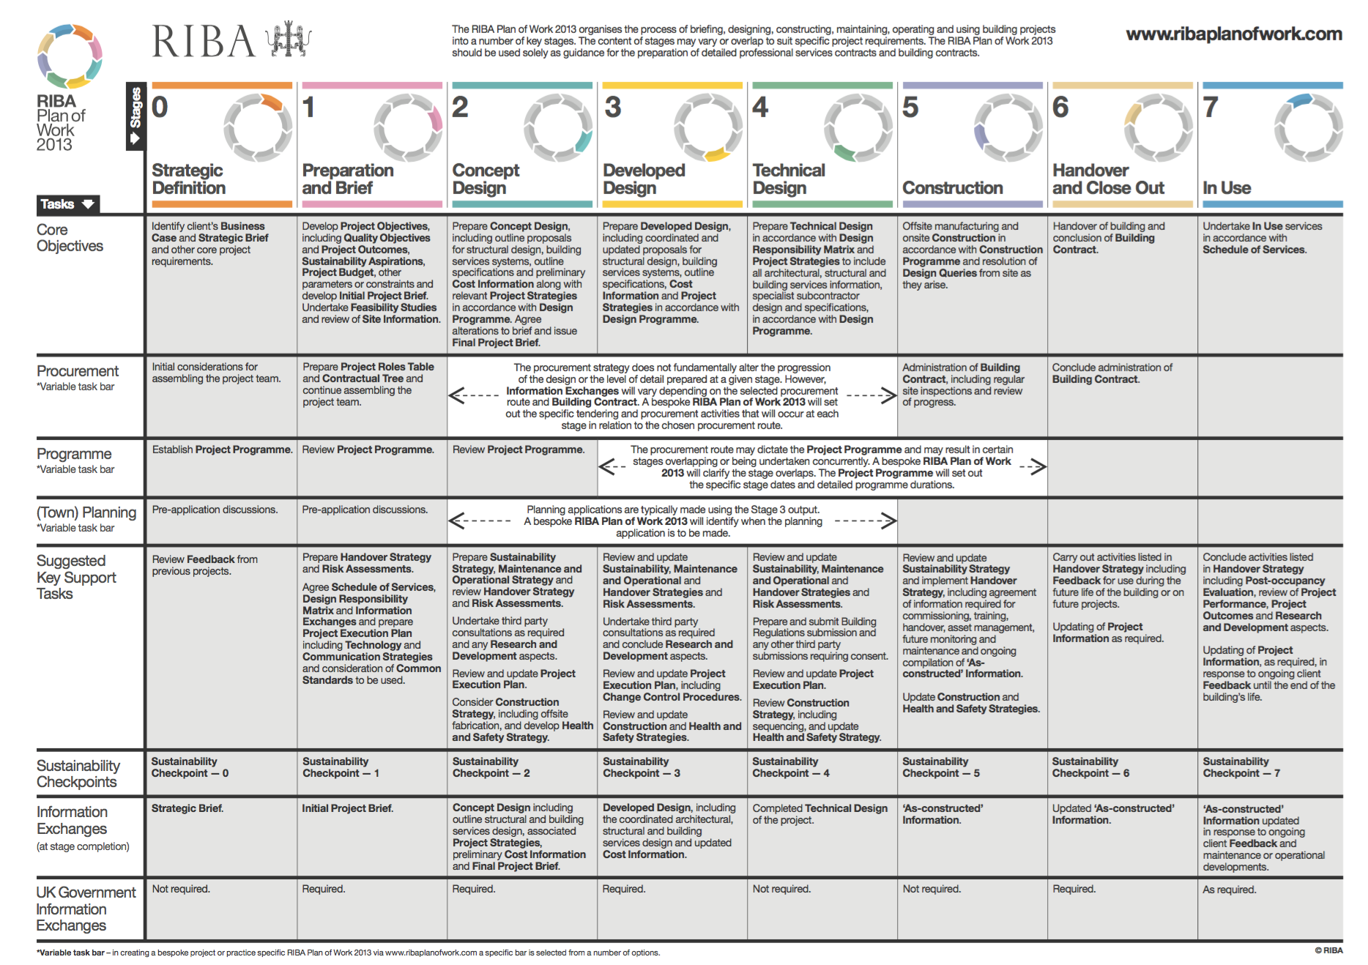
High level consideration of issues
Detailed Climate Impact Assessment
Outline adaptation strategy
Definine future climate parameters in initial design brief

Dropdown Options or List
Tool Configuration
 |  |  |  |  |  | Project Scope
Exposure Assessment |  |  | Sensitivity Assessment |  |  | Landscaping | Buildings |  | Energy |  | Climate Variables
Select rating |  |  |  |  |  |  |  |  |  |  | (select issue)
 |  |  |  |  |  |  |  |  |  |  | Sunlight
H |  |  | H |  |  | Yes |  |  | Yes |  | Heatwaves
M |  |  | M |  |  | No | No |  | No |  | Extremely hot days
L |  |  | L |  |  |  | Domestic |  |  |  | Cold winters
 |  |  |  |  |  |  | Non-Domestic |  |  |  | Extremely cold days
ExposureList2' |  |  | SA' |  |  |  | Mixed - Primarily Domestic |  |  |  | Urban heat islands
 |  |  |  |  |  |  | Mixed - Primarily Non-Domestic |  |  |  | Changing growing seasons
 |  |  |  |  |  |  |  |  |  |  | Rainfall
Time Periods |  |  |  |  |  |  |  |  |  |  | River flooding
Select a time period |  |  |  |  |  | Project Type |  |  |  |  | Surface water flooding
2020s (2010-2039) |  |  |  |  |  |  |  |  |  |  | Sewer flooding
2030s (2020-2049) |  |  |  |  |  | Domestic Building(s) |  |  |  |  | High humidity
2040s (2030 - 2059) |  |  |  |  |  | Energy |  |  |  |  | Snowfall
2050s (2040 - 2069) |  |  |  |  |  | Mixed use development |  |  |  |  | Storms
2060s (2050 - 2079) |  |  |  |  |  | Non domestic building(s) |  |  |  |  | High average wind speeds
2070s (2060 - 2089) |  |  |  |  |  | Non domestic building(s) - Care Home |  |  |  |  | Poor air quality
2080s (2070 - 2099) |  |  |  |  |  |  |  |  |  |  | Dust storms
TimPer' |  |  |  |  |  |  |  |  |  |  | Landslides
 |  |  |  |  |  |  |  |  |  |  | Soil erosion
 |  |  |  |  |  |  |  |  |  |  | Soil salinity
Risk Matrix |  |  |  |  |  |  |  |  |  |  | Ocean acidification
 |  |  |  |  |  |  |  |  |  |  | Coastal flooding

Likelihood
 |  | Consequences
 |  | 1 | 2 | 3 | 4 | 5 | Consequences |  | Likelihood
 | 1 | 1 | 2 | 3 | 4 | 5 | 1 | Insignificant | 1 | Rare
 | 2 | 2 | 4 | 6 | 8 | 10 | 2 | Minor | 2 | Unlikely
 | 3 | 3 | 6 | 9 | 12 | 15 | 3 | Moderate | 3 | Moderate
 | 4 | 4 | 8 | 12 | 16 | 20 | 4 | Major | 4 | Likely
 | 5 | 5 | 10 | 15 | 20 | 25 | 5 | Catastrophic | 5 | Almost certain

